HRV
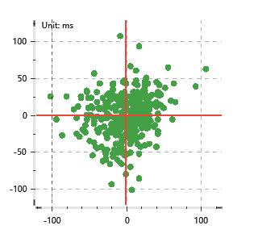
Data Info
 | Recording | 正式实验3
 | Subject | 区嘉伟
 | Create Time | 2023-11-15 15:24:34.907
 | Data Name | Chest1 ECG
 | Data Type | ECG
 | Sample Rate | 512
 | Segment | 后静息态
 | Start Time | 0:57:44
 | End Time | 1:02:44
 | Duration | 0:05:00

Replay Chart
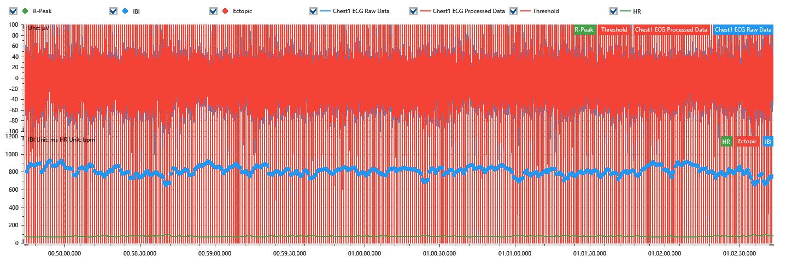

Process parameters
 | Filters
 | Wavlet filter | Enabled | 中
 | Amplitude normalization | Disabled | 中
 | High Pass filter | Enabled | 1μV
 | Band Stop filter | Enabled | 50μV
 | Low Pass filter | Enabled | 100μV
 | Interbeat Interval
 | R-Peak extraction | Maximum heart rate | 120bpm
 | R-Peak extraction | Threshold | 70%
 | Extopic detection | Percent | Disabled | 20%
 | Extopic detection | Median | Enabled | 4(samples)
 | Extopic correction | 中值 | 5(samples)

Time Domain
 | MeanIBI | MeanHR | SDNN | SDANN | RMSSD | SDSD | PNN50 | PNN20 | Data Length
 | 802.19ms | 75bpm | 50.35ms | 0ms | 28.86ms | 28.9ms | 8.6% | 45.43% | 373

Frequency Domain
 | Band | Range | Power | Power Percent | Power Normalized | Peak | Data Length
 | ULF | 0 - 0.0033Hz | 67.63ms² | 3.35% | 0 | 0Hz | 4
 | VLF | 0.0033 - 0.04Hz | 705.84ms² | 34.92% | 0 | 0Hz | 37
 | LF | 0.04 - 0.15Hz | 896.03ms² | 44.33% | 0.72 | 0.04Hz | 113
 | HF | 0.15 - 0.4Hz | 351.99ms² | 17.41% | 0.28 | 0.26Hz | 256

 | Total Power | 2021.49ms² | LF/HF | 2.55 | VLF/ULF | 0.1
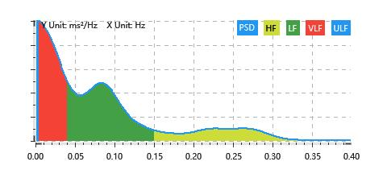

Nonlinear
 | Poincare | SD1 | 20.44ms | SD2 | 68.22ms
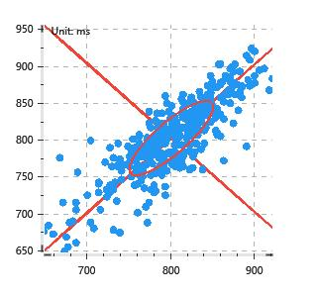

 | Scatter | A++ | 115 | B-- | 95

